Sheet1
Return Year | GoM Salmon Total | PSAR - 2SW
1972 | 1025 | 1.56%
1973 | 662 | 0.82%
1974 | 902 | 1.23%
1975 | 1368 | 1.58%
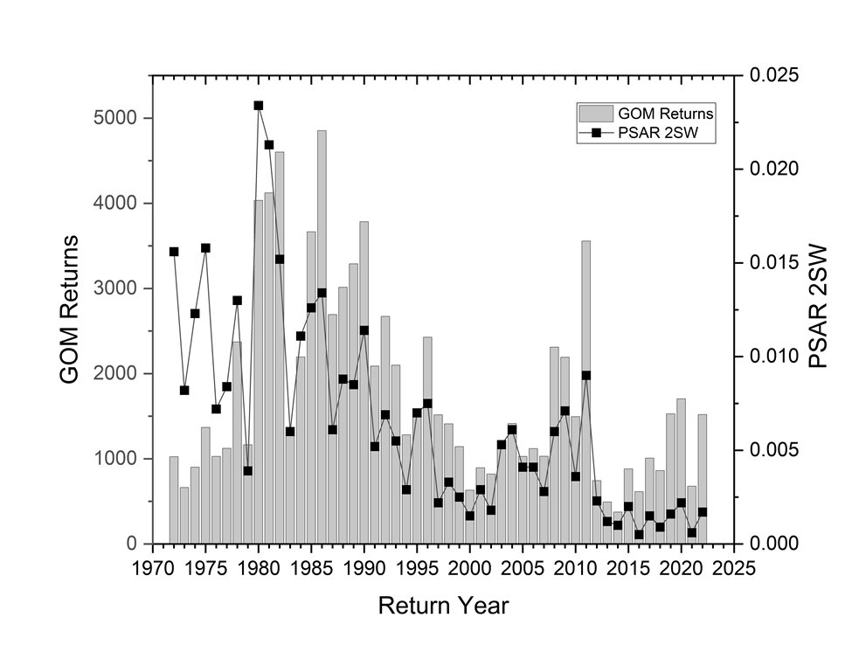
1976 | 1028 | 0.72%
1977 | 1123 | 0.84%
1978 | 2371 | 1.30%
1979 | 1165 | 0.39%
1980 | 4033 | 2.34%
1981 | 4123 | 2.13%
1982 | 4601 | 1.52%
1983 | 1332 | 0.60%
1984 | 2196 | 1.11%
1985 | 3665 | 1.26%
1986 | 4853 | 1.34%
1987 | 2693 | 0.61%
1988 | 3014 | 0.88%
1989 | 3289 | 0.85%
1990 | 3783 | 1.14%
1991 | 2089 | 0.52%
1992 | 2671 | 0.69%
1993 | 2099 | 0.55%
1994 | 1281 | 0.29%
1995 | 1531 | 0.70%
1996 | 2428 | 0.75%
1997 | 1516 | 0.22%
1998 | 1411 | 0.33%
1999 | 1143 | 0.25%
2000 | 632 | 0.15%
2001 | 894 | 0.29%
2002 | 821 | 0.18%
2003 | 1188 | 0.53%
2004 | 1413 | 0.61%
2005 | 1028 | 0.41%
2006 | 1120 | 0.41%
2007 | 1030 | 0.28%
2008 | 2310 | 0.60%
2009 | 2192 | 0.71%
2010 | 1494 | 0.36%
2011 | 3556 | 0.90%
2012 | 744 | 0.23%
2013 | 493 | 0.12%
2014 | 375 | 0.10%
2015 | 881 | 0.20%
2016 | 614 | 0.05%
2017 | 1008 | 0.15%
2018 | 862 | 0.09%
2019 | 1528 | 0.16%
2020 | 1705 | 0.22%
2021 | 678 | 0.06%
2022 | 1520 | 0.17%

